Monthly Order Form
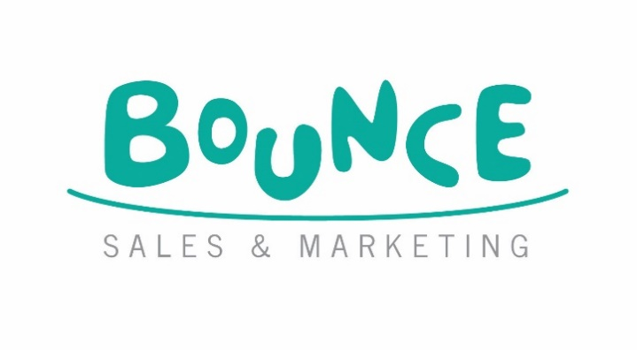
BUILD YOUR OWN Catalogue Order Form
 |  |  |  |  |  |  |  | Bounce Sales and Marketing Ltd.
 |  |  |  |  |  |  |  | 320 City Road
 |  |  |  |  |  |  |  | London
 |  |  |  |  |  |  |  | EC1V 2NZ

Orders To: Macmillan Distribution Services, Brunel Road, Houndmills, Basingstoke, Hampshire RG21 6XS •
Tel: 01256 302692 • Fax: 01256 812521 • E-mail: orders@macmillan.co.uk

Bookshop/Branch |  | Account Number
Address |  | Order Reference
 |  | Special Instructions

Reps Name
Date
 |  | Disclaimer: Prices are subject to change without notice
IMPRINT/SERIES | TITLE | PRODUCT CODE | PCS PER KIT | RRP | RRP ex. VAT | EAN | QTY | NOTES
Build Your Own | BYO - Tyrannosaurus Rex | BYOMB 010 | 37 | £9.99 | £8.33 | 5060686160189
Build Your Own | BYO - Mosasaurus | BYOMB 011 | 44 | £9.99 | £8.33 | 5060686160196
Build Your Own | BYO - Pteranodon | BYOMB 009 | 27 | £9.99 | £8.33 | 5060686160172
Build Your Own | BYO - Ankylosaurus | BYOMB 012 | 35 | £9.99 | £8.33 | 5060686160202
Build Your Own | BYO - Honey Bee | BYOMB 001 | 20 | £9.99 | £8.33 | 5060686160059
Build Your Own | BYO - Ladybird | BYOMB 002 | 27 | £9.99 | £8.33 | 5060686160066
Build Your Own | BYO - Stag Beetle | BYOMB 003 | 18 | £9.99 | £8.33 | 5060686160073
Build Your Own | BYO - Dragonfly | BYOMB 004 | 15 | £9.99 | £8.33 | 5060686160080
Build Your Own | BYO - White Rhino | BYOMB 005 | 37 | £9.99 | £8.33 | 5060686160110
Build Your Own | BYO - Snowy Owl | BYOMB 006 | 39 / 41 (R3) | £9.99 | £8.33 | 5060686160127
Build Your Own | BYO - Hawksbill Turtle | BYOMB 007 | 23 | £9.99 | £8.33 | 5060686160134
Build Your Own | BYO - Mountain Gorilla | BYOMB 008 | 29 | £9.99 | £8.33 | 5060686160141
Build Your Own | BYO - Dragon | BYOMB 018 | 34 | £7.99 | £6.66 | 5060686160301
Build Your Own | BYO - Kitten | BYOMB 016 | 27 | £7.99 | £6.66 | 5060686160288
Build Your Own | BYO - Unicorn | BYOMB 017 | 28 | £7.99 | £6.66 | 5060686160295
Build Your Own | BYO - Puppy | BYOMB 015 | 28 | £7.99 | £6.66 | 5060686160271
Build Your Own | BYO - Roald Dahl 'Matilda' Book Nook | BYOBN 001 | 37 | £24.99 | £20.83 | 5060686160363
Build Your Own | BYO - Marble Maze | BYO 015 | 105 | £24.99 | £20.83 | 5060686160356
Build Your Own | BYO - Kaleidoscope | BYO 009 | 62 | £22.99 | £19.16 | 5060686160219
Build Your Own | BYO - Plane Launcher | BYO 002 | 59 | £22.99 | £19.16 | 5060686160011
Build Your Own | BYO - Pinball Machine | BYO 008 | 68 | £22.99 | £19.16 | 5060686160165
Build Your Own | BYO - Marble Labyrinth | BYO 010 | 153 | £22.99 | £19.16 | 5060686160226
Build Your Own | BYO - Microscope | BYO 003 | 54 | £22.99 | £19.16 | 5060686160028
Build Your Own | BYO - Binoculars | BYO 006 | 71 | £22.99 | £19.16 | 5060686160103
Build Your Own | BYO - Pirate Ship | BYO 005 | 114 | £22.99 | £19.16 | 5060686160097
Build Your Own | BYO - Marble Run | BYO 004 | 153 | £24.99 | £20.83 | 5060686160042
Build Your Own | BYO - Telescope | BYO 001 | 32 | £24.99 | £20.83 | 5060686160004
Build Your Own | BYO - Periscope | BYO 007 | 39 | £22.99 | £19.16 | 5060686160158
Build Your Own | BYO - Pinball Machine Advent Calendar *Limited Edition* | BYO 012 | 68 | £24.99 | £20.83 | 5060686160264
Build Your Own | BYO - Marble Labyrinth, Advent Calendar | BYO 016 | 129 | £24.99 | £20.83 | 5060686160370
Build Your Own | BYO - Snowman Christmas Eve Box | BYO 014 | 43 | £12.99 | £10.83 | 5060686160349
Build Your Own | BYO - Christmas Eve Box | BYO 013 | 50 | £12.99 | £10.83 | 5060686160332
Build Your Own | BYO - Reindeer | BYOMB 021 | 24 | £7.99 | £6.66 | 5060686160387
Build Your Own | BYO - Wallace & Gromit, Feathers McGraw | BYOMB 019 | 66 | £14.99 | £12.49 | 5060686160318
Build Your Own | BYO - Wallace & Gromit, Gromit | BYOMB 020 | 85 | £14.99 | £12.49 | 5060686160325
Build Your Own | BYO - Wallace & Gromit, Techno Trousers | BYOMB 014 | 76 | £14.99 | £12.49 | 5060686160257
Build Your Own | BYO - Wallace & Gromit, Rocket | BYO 011 | 135 | £29.99 | £24.99 | 5060686160233
Build Your Own | BYO - Wallace & Gromit, Sidecar Plane | BYOMB 013 | 60 / 64 | £14.99 | £12.49 | 5060686160240

