Monthly Order Form
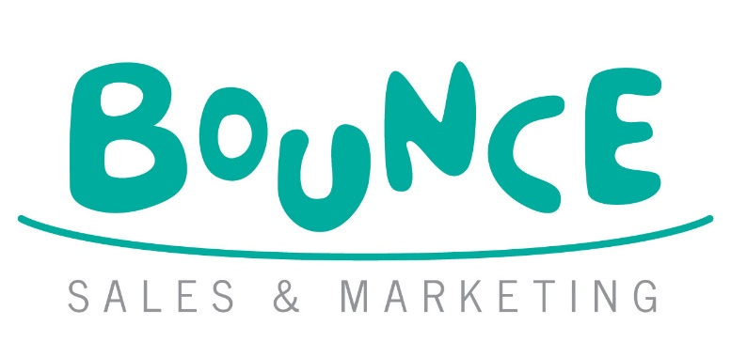
April Pushkin and Scholastic/CH Order Form
 |  |  |  |  |  |  | Bounce Sales and Marketing Ltd.
 |  |  |  |  |  |  | 320 City Road
 |  |  |  |  |  |  | London
 |  |  |  |  |  |  | EC1V 2NZ

Orders To: Harper Collins Customer Services Department, 103 Westerhill Road,
Bishopbriggs, Glasgow, G64 2QT
Tel: 01413063100 Email: uk.orders@harpercollins.co.uk

Bookshop/Branch |  | Account Number
Address |  | Order Reference
 |  | Special Instructions

Reps Name
Date
 |  |  | Disclaimer: Prices are subject to change without notice
IMPRINT/SERIES | TITLE | AUTHOR | FORMAT | RRP | ISBN | QTY | NOTES
Pushkin Children's | Bum Fish | Pinson, Pauline | PB | £8.99 | 9781782695684
Pushkin Children's | Bum Fish Sticker Sheets | ***Contact Bounce rep for more info***
Pushkin Children's | Bum Fish Window Kit | ***Contact Bounce rep for more info***
Pushkin Children's | The Wind in the Willows | Grahame, Keeneth | PB | £10.99 | 9781782695486
Pushkin Children's | The Swish of the Curtain: Book 1 | Brown, Pamela | PB | £9.99 | 9781782695356
Pushkin Children's | Wide Eye | Liss, Jennifer | PB | £8.99 | 9781782695400
Chicken House | A Million Tiny Missiles All At Once | Lucas Maxwell | PB | £8.99 | 9781917171397
Chicken House | The Swarm | Anna February | PB | £8.99 | 9781917171601
Chicken House | The Hive | Anna February | PB | £8.99 | 9781915947277
Scholastic | The Leaf Thief Series: The Leaf Thief - Slide and Spin | Alice Hemming and Nicola Slater | BB | £7.99 | 9780702339967
Scholastic | The Leaf Thief | Alice Hemming and Nicola Slater | BB | £7.99 | 9780702330001
Scholastic | Superworm - Slide and Spin | Julia Donaldson and Axel Scheffler | BB | £7.99 | 9780702344695
Scholastic | Zog - Slide and Spin | Julia Donaldson and Axel Scheffler | BB | £7.99 | 9780702341595
Scholastic | Zog and the Flying Doctors 10th Anniversary Edition | Julia Donaldson and Axel Scheffler | PB | £7.99 | 9780702343957
Scholastic | Zog | Julia Donaldson and Axel Scheffler | PB | £7.99 | 9781407170763
Scholastic | Zog And The Flying Doctors Ne | Julia Donaldson and Axel Scheffler | PB | £7.99 | 9781407173504
Scholastic | Zog Flying Doctors 10Th An Pb | Julia Donaldson and Axel Scheffler | PB | £7.99 | 9780702343957
Scholastic | Zog Bcd | Julia Donaldson and Axel Scheffler | BCD | £8.99 | 9781407130019
Scholastic | Zog And The Flying Doctors Bcd | Julia Donaldson and Axel Scheffler | BCD | £8.99 | 9781407192024
Scholastic | Zog Gift Edition Bb | Julia Donaldson and Axel Scheffler | BB | £7.99 | 9781407164939
Scholastic | Zog & Flying Drs Gift Ed Bb | Julia Donaldson and Axel Scheffler | BB | £6.99 | 9781407188669
Scholastic | Let'S Find Zog (Cbb) | Julia Donaldson and Axel Scheffler | BB | £6.99 | 9780702305832
Scholastic | Zog - Slide And Spin (Bb) | Julia Donaldson and Axel Scheffler | BB | £7.99 | 9780702341595
Scholastic | Zog - Slide And Seek Bb | Julia Donaldson and Axel Scheffler | BB | £8.99 | 9780702344701
Scholastic | All About Zog Bb | Julia Donaldson and Axel Scheffler | BB | £7.99 | 9780702332968
Scholastic | Zog Sticker Book | Julia Donaldson and Axel Scheffler | PB | £6.99 | 9781407189482
Scholastic | Zog Super Sticker Book Pb | Julia Donaldson and Axel Scheffler | PB | £9.99 | 9780702344893
Scholastic | Zog And The Flying Doctors Sti | Julia Donaldson and Axel Scheffler | PB | £6.99 | 9781407197814
Scholastic | Zog+ The Flying Drs Early Read | Julia Donaldson and Axel Scheffler | PB | £4.99 | 9781407189543
Scholastic | Zog Early Reader | Julia Donaldson and Axel Scheffler | PB | £4.99 | 9781407144627
Scholastic | Zog Finger Puppet Book Bb | Julia Donaldson and Axel Scheffler | BB | £8.99 | 9780702319334
Scholastic | The New Bum Series!: Dad Needs a New Bum! (PB) | Dawn McMillan and Ross Kinnaird | PB | £7.99 | 9780702342936
Scholastic | I Need a New Bum! | Dawn McMillan and Ross Kinnaird | PB | £6.99 | 9781407196015
Scholastic | Beautiful Black Boy (HB) | Sophia Robinson and Ken Daley | HB | £14.99 | 9781338864649
Scholastic | Captain Underpants: The First Epic Manga | Dav Pilkey and Motojiro | PB | £9.99 | 9780702348426
Scholastic | Captain Underpants Double-Crunchy Book O' Fun | Dav Pilkey | PB | £8.99 | 9780702325212
Scholastic | Mecha-Ude: Mechanical Arms (Volume 3) | Yoshino Koyoka | PB | £10.99 | 9781546142614
Scholastic | Mecha-Ude: Mechanical Arms (Volume 1) | Yoshino Koyoka | PB | £10.99 | 9781546142553
Scholastic | Mecha-Ude: Mechanical Arms (Volume 2) | Yoshino Koyoka | PB | £10.99 | 9781546142584
Scholastic | Ghost-Spider: Broken Chords (Spider-Woman graphic novel) | Roseanne A. Brown | PB | £9.99 | 9781546122517
Scholastic | Miles Morales: Around the Spider-Verse | Roseanne A. Brown | PB | £9.99 | 9780702340499
Scholastic | Squid Squad: Shrimply the Best | Aoife Dooley | PB | £9.99 | 9780702337116
Scholastic | Squid Squad: Nothing to Sea Here | Aoife Dooley | PB | £9.99 | 9780702337106
Scholastic | Magic Gems 1: Journey Through the Waterfall | Payal Doshi | PB | £5.99 | 9780702349140
Scholastic | Magic Gems 2: Lost in the Crystal Caves | Payal Doshi | PB | £5.99 | 9780702349133
Scholastic | Hercules 4: Hercules vs the Minotaur | Tom Vaughan | PB | £7.99 | 9780702340413
Scholastic | Hercules: The Diary of a (Sort Of) Hero | Tom Vaughan | PB | £7.99 | 9780702324635
Scholastic | Hercules: A Hero's Journey (On a School Trip) | Tom Vaughan | PB | £7.99 | 9780702324628
Scholastic | Hercules: Hero to Zero | Tom Vaughan | PB | £7.99 | 9780702340406
Scholastic | Kamizen: Fortress of Lost Memories | William Dobson | PB | £8.99 | 9780702342738
Scholastic | Hyo and the Deep-Rooted Demon | Mina Ikemoto Ghosh | PB | £10.99 | 9780702328961
Scholastic | Hyo The Hellmaker | Mina Ikemoto Ghosh | PB | £10.99 | 9780702328954
Scholastic | Wild Footprints | Judy Wise, Kevin Howdeshell and Kristen Howdeshell | HB | £12.99 | 9780702341250
Scholastic | Wild Footprints A6 Prints | ***Contact Bounce rep for more info***
Scholastic | Stories From the Wild: A Celebration of the Joy of Nature | Emily Hibbs | HB | £14.99 | 9780702328725
Scholastic | The Baby-sitters Club Friendship Crafts | Editors of Klutz | BOX | £14.99 | 9798225032838

9781339014951

