Monthly Order Form
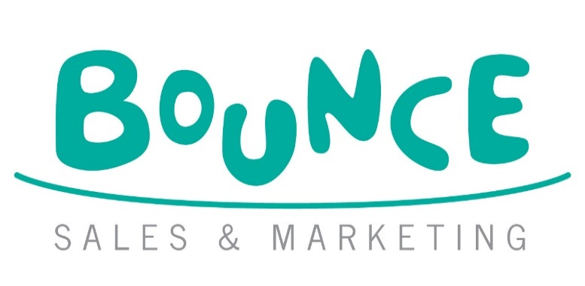
BOUNCE OCTOBER TOP PICKS ORDER FORM
 |  |  |  |  |  |  | Bounce Sales and Marketing Ltd.
 |  |  |  |  |  |  | 320 City Road
 |  |  |  |  |  |  | London
 |  |  |  |  |  |  | EC1V 2NZ

DISTRIBUTOR | ORDERS TO:
MDL | MACMILLAN DISTRIBUTION LTD Email: orders@Macmillan.co.uk
HARPERCOLLINS | HARPER COLLINS DISTRIBUTION: Email: uk.orders@harpercollins.co.uk

Bookshop/Branch |  | Account Number
Address |  | Order Reference
 |  | Special Instructions

Reps Name
Date
 |  |  | Disclaimer: Prices are subject to change without notice
IMPRINT/SERIES | TITLE | AUTHOR | FORMAT | RRP | ISBN | QTY | NOTES
Post Wave Publishing | Jacominus Gainsborough: With Love | Dautremer, Rébecca | HB | £45.00 | 9781836270522
What on Earth! | Animal FACTopia! | Beer, Julia & Smith, Andy | PB | £9.00 | 9781804661970
Otter-Barry Books Limited | Can You See a Little Bear? | Mayhew, James | BB | £9.99 | 9781917865005
Post Wave Publishing | Tiger, It's Snowing! | Ma, Daishu | BB | £7.99 | 9781836271956
Pushkin Children's | King Winter's Birthday | Freedland / Sutton | PB | £9.99 | 9781782695677
Pushkin Children's | King Winter's Birthday Christmas Cards & Standee | ***Contact Bounce rep for more info***
Gecko Press | Kiki & Me | Timmers, Leo | HB | £16.99 | 9798348041700
Guppy Books | Pomona | Freeman, Tor | HB | £14.99 | 9781916558823
Guppy Books | Pomona Prints | **Contact Bounce rep for more info**
Scholastic | Klutz: Make Your Own Dog Man Puffy Stickers | Klutz | BOX | £14.99 | 9798225063863
Little Tiger | Stitch Head: The Ghosts of Grotteskew Graphic Novel | Bass, Guy & Williamson, Pete | PB | £9.99 | 9781788958561
Scholastic | Front Desk: A Graphic Novel | Yang, Kelly | PB | £10.99 | 9780702351105
Fox & Ink Books | The Moonlight Dragon | Flanagan, Liz | PB | £8.99 | 9781917894173
Fox & Ink Books | The Moonlight Dragon Standee & Bookmarks | ***Contact Bounce rep for more info***
Chicken House | Girl with a Sabretooth Tiger | Bilan, Jasbinder | PB | £7.99 | 9781917171700
Chicken House | Girl with a Sabretooth Tiger Prints | ***Contact Bounce rep for more info***
Scholastic | Tom Gates 25: Tom Gates Is Not Famous (Yet) (Book 25) | Pichon, Liz | HB | £12.99 | 9780702339448
Scholastic | Apocalypse Baby | Penn, Anna | PB | £10.99 | 9780702340482
Pushkin Children's | The Teller of Tall Tales | Hyder, Liz | HB | £14.99 | 9781782695790
Pushkin Children's | The Teller of Tall Tales Bookmarks | ***Contact Bounce rep for more info***

 |  |  |  |  |  |  |  | 9781915820051

