Halloween Titles Order Form FIN
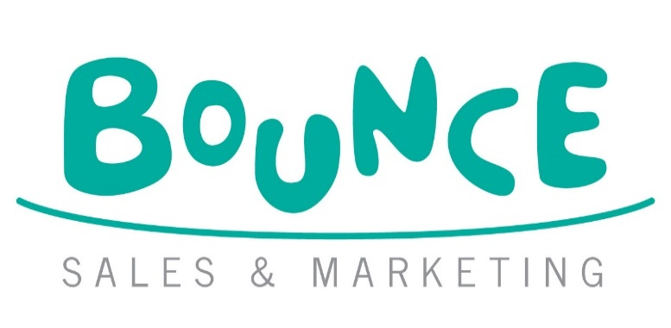
HALLOWEEN 2026 LTP AND MDL ORDER FORM
 |  |  |  |  |  |  | Bounce Sales and Marketing Ltd.
 |  |  |  |  |  |  | 320 City Road
 |  |  |  |  |  |  | London
 |  |  |  |  |  |  | EC1V 2NZ

DISTRIBUTOR | ORDERS TO:
MDL | MACMILLAN DISTRIBUTION LTD Email: orders@Macmillan.co.uk

Bookshop/Branch |  | Account Number
Address |  | Order Reference
 |  | Special Instructions

Reps Name
Date
 |  |  | Disclaimer: Prices are subject to change without notice
IMPRINT/SERIES | TITLE | AUTHOR | FORMAT | RRP | ISBN | QTY | NOTES
Post Wave | Pumpkin, Pumpkin, Pumpkin! | Finan, Sarah | BB | £7.99 | 9781836271444
Post Wave | Slide and Peek: Witch | Dexet, Hector | BB | £7.99 | 9781836271994
Little Tiger | Ghost Goes Boo! | Davies, Becky and Miller, Mitch | CBB | £9.99 | 9781801049115
Little Tiger | Little Ghost! Little Ghost! What Can You See? | Costello, Dee and Pintachan | BB | £7.99 | 9781801048279
Two Windmills | Magic Torch Books: Goodnight Ghost | Lily, Amber; Hennon, Carrie | CBB | £7.99 | 9781835551745
Little Tiger | Halloween Journey | Hegarty, Patricia and Longhi, Katya | CBB | £14.99 | 9781801048682
Post Wave | This Book is Bursting with Monsters | Dorner, Christina & Manceau, Édouard | HB | £12.99 | 9781836272328
Little Tiger | The Broom of Doom | Davies, Becky and Elliott, Thomas | PB | £9.99 | 9781801049184
Little Tiger | Frankenkitty | Powell-Tuck, Maudie and Grey, Mini | HB | £12.99 | 9781801048613
Little Tiger | Here a Creak, There a Shriek! | Conroy, Kelly and Ilic, Nikolas | PB | £8.99 | 9781801048606
Scallywag Press | Who said Boo? | Willis, Jeanne and Fitzgerald, Brian | HB | £12.99 | 9781836300373
Post Wave | Something in the Darkness | Dougherty, John and Shu, Matt | HB | £12.99 | 9781836271307
Little Tiger | Sticker by Numbers: Halloween | Hamilton, Beth | PB | £6.99 | 9781801049054
Guppy Books | Pomona: Stories of the Cat Witch *Pub date: October 2026* | Freeman, Tor | HB | £14.99 | 9781916558823
Firefly | A Werewolf Ate My Homework | Snape, Emily | PB | £8.99 | 9781917718417
Guppy Books | The Adventures of Sweet Boo: Finding a Father *Pub date: October 2026* | Dolan, Taylor | PB | £7.99 | 9781916558335
Scallywag Press | Olivia Shivers: Spooky Special Agent | Keilty, Derek and Ghibault, Louis | PB | £8.99 | 9781836300663
Gecko Press | Frank the Monster | Strandberg, Mats and Falkenham, Sofia | PB | £8.99 | 9798348029661
Gecko Press | The Monster and the Clown | Strandberg, Mats and Falkenham, Sofia | PB | £8.99 | 9798348029678
Gecko Press | The Monster and the Library | Strandberg, Mats and Falkenham, Sofia | PB | £8.99 | 9798348042547
Firefly | Alex Sparrow and the Really Big Stink | Killick, Jennifer | PB | £8.99 | 9781917718431
Firefly | Alex Sparrow and the Furry Fury | Killick, Jennifer | PB | £8.99 | 9781917718448
Firefly | Alex Sparrow and the Zumbie Apocalpyse | Killick, Jennifer | PB | £8.99 | 9781917718455
Little Tiger | The Worst Thing That Could Possibly Happen | Bass, Guy and Roberts, David | HB | £16.99 | 9781788954198
Little Tiger | The Worst Thing That Could Possibly Happen (Signed Edition) | Bass, Guy | HB | £16.99 | 9781788958912
Fox & Ink Books | The Lost Name Society | Krish, S.R. | PB | £8.99 | 9781917894241
Little Island | Dead Teenager Movie | Leahy, Cethan | PB | £8.99 | 9781918353020
Little Tiger | Who Said Boo? | Wu, Yi-Hsuan | BB | £7.99 | 9781788817196
Little Tiger | You're My Little Baby Boo | Edwards, Nicola and Marshall, Natalie | BB | £7.99 | 9781838915537
Little Tiger | Grumpkin | Edwards, Nicola and Roberts, Sian | BB | £7.99 | 9781838919337
Owlet Press | My Mummy is a Witch | Garcia, Helena and Rose, Jess | PB | £7.99 | 9781913339562
Owlet Press | No Home For a Ghost | Rose, Jess | PB | £7.99 | 9781913339456
Scallywag Press | We Planted a Pumpkin | Ramsden, Rob | PB | £7.99 | 9781912650866
Gecko Press | Inside the Villains | Perrin, Clotilde | HB | £22.00 | 9781776571987
B Small | Real-Life Mysteries | Martineau, Susan and Barker, Vicky | PB | £7.99 | 9781911509080
B Small | Tales of Ghosts & Hauntings | Martineau, Susan and Barker, Vicky | PB | £9.99 | 9781916851207
B Small | Tales of Scary Beasts | Martineau, Susan and Barker, Vicky | PB | £9.99 | 9781916851214
Little Tiger | Stitch Head: The Graphic Novel | Bass, Guy and Williamson, Pete | PB | £9.99 | 9781788956376
Little Tiger | Stitch Head: The Pirate's Eye Graphic Novel | Bass, Guy and Williamson, Pete | PB | £9.99 | 9781788956925
Little Tiger | Stitch Head: The Ghost of Grotteskew Graphic Novel *Pub date: October 2026* | Bass, Guy and Williamson, Pete | PB | £9.99 | 9781788958561
Little Tiger | Dead Yard: Seeds of Doom | Kilburn, P.J. and Jenai, Markia | PB | £7.99 | 9781788957649
Little Tiger | Dead Yard: Deep Trouble | Kilburn, P.J. and Jenai, Markia | PB | £8.99 | 9781788957922
Firefly | Crater Lake | Killick, Jennifer | PB | £7.99 | 9781913102203
Firefly | Crater Lake: Evolution | Killick, Jennifer | PB | £7.99 | 9781913102647
Firefly | The Dark and Dangerous Gifts of Delores Mackenzie | Banham, Yvonne | PB | £7.99 | 9781915444073
Firefly | The Haunted Life of Delores Mackenzie | Banham, Yvonne | PB | £7.99 | 9781915444660
Firefly | Delores Mackenzie and the Dead of Winter *Pub date: October 2026* | Banham, Yvonne | PB | £9.99 | 9781917718387
Little Island | Wildlord | Womack, Philip | PB | £7.99 | 9781912417971
Little Island | Ghostlord | Womack, Philip | PB | £8.99 | 9781915071262
Disney Hyperion | Here Lies a Vengeful Bitch | Crowley, Codie | PB | £9.99 | 9781368101394
Fox & Ink Books | Dead Real | Perry, Poppy T. | PB | £8.99 | 9781916747432
Fox & Ink Books | Mina and the Undead | McCaw, Amy | PB | £7.99 | 9781912979479
Fox & Ink Books | Mina and the Slayers | McCaw, Amy | PB | £8.99 | 9781912979912
Fox & Ink Books | Mina and the Cult | McCaw, Amy | PB | £8.99 | 9781915235916

