Halloween Titles Order Form FIN
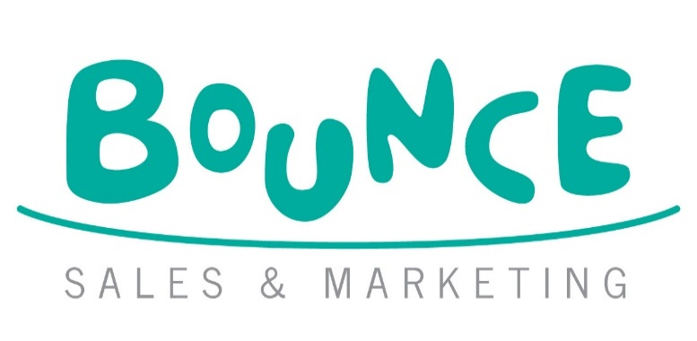
HALLOWEEN 2026 PUSHKIN AND SCHOLASTIC ORDER FORM
 |  |  |  |  |  |  | Bounce Sales and Marketing Ltd.
 |  |  |  |  |  |  | 320 City Road
 |  |  |  |  |  |  | London
 |  |  |  |  |  |  | EC1V 2NZ

DISTRIBUTOR | ORDERS TO:
MDL | MACMILLAN DISTRIBUTION LTD Email: orders@Macmillan.co.uk
HARPERCOLLINS | HARPER COLLINS DISTRIBUTION: Email: uk.orders@harpercollins.co.uk

Bookshop/Branch |  | Account Number
Address |  | Order Reference
 |  | Special Instructions

Reps Name
Date
 |  |  | Disclaimer: Prices are subject to change without notice
IMPRINT/SERIES | TITLE | AUTHOR | FORMAT | RRP | ISBN | QTY | NOTES
Scholastic | Stick Man: The Pumpkin Hunt | Donaldson, Julia and Schleffer, Axel | PB | £7.99 | 9780702349027
Scholastic | The Baddies | Donaldson, Julia and Schleffer, Axel | PB | £7.99 | 9780702349324
Scholastic | Let's Find The Baddies | Donaldson, Julia and Schleffer, Alex | BB | £7.99 | 9780702334313
Scholastic | The Hallo-Wiener | Pilkey, Dav | PB | £7.99 | 9780702349881
Scholastic | We're Going to Pick a Pumpkin | Reid, Sarah and Saccani, Agnes | PB | £7.99 | 9780702345289
Scholastic | Millie Fleur's Pumpkin Problem *Pub date: October 2026* | Mandin, Christy | HB | £14.99 | 9798225041335
Scholastic | The Pumpkin Thief | Hemming, Alice and Slater, Nicola | PB | £7.99 | 9780702343490
Scholastic | The Pumpkin Who Was Afraid of the Dark | Robinson, Michelle and Byrne, Mike | BB | £7.99 | 9780702329999
Scholastic | My Bum is So Spooky! | McMillan, Dawn & Kinnaird, Ross | PB | £6.99 | 9780702325656
Scholastic | 20 Pumpkins at Bedtime | Sperring, Mark & Budgen, Tim | PB | £6.99 | 9780702324680
Scholastic | Dear Spookysaur | Strathie, Chae & O'Byrne, Nicola | PB | £6.99 | 9781407193847
Pushkin | We Are Definirely Human | X. Fang | PB | £8.99 | 9781782695691
Scholastic | Cutie Colouring: The Uncuties Creepy Cosy Café | Scholastic and McDonald, Jake | PB | £8.99 | 9780702349263
Scholastic | Poppy Playtime Stickerpedia *Pub date: October 2026* | Scholastic | PB | £11.99 | 9798225075866
Scholastic | How to Train Your Zombie | Winning, Josh | PB | £7.99 | 9780702349805
Scholastic | Bella Broomstick | Kuenzler, Lou & Slater, Nicola | PB | £5.99 | 9780702344657
Scholastic | Goosebumps Graphix: The Haunted Mask | Stine, R.L. and Gonzales, Maddi | PB | £9.99 | 9781338879391
Scholastic | Goosebumps Graphix: Monster Blood | Stine, R.L. and Gonzales, Maddi | PB | £9.99 | 9781338879421
Scholastic | Medusa Gorgon's Deadly Side Eye | Walker, Bethany | PB | £7.99 | 9780702348501
Scholastic | Medusa Gorgon's Bad Hair Day | Walker, Bethany | PB | £7.99 | 9780702340659
Pushkin Children's | Girls | Schaap, Annet | PB | £8.99 | 9781782693796
Pushkin | Lykewise | Simpson, Darren | PB | £8.99 | 9781782696209
Pushkin Children's | Thirst | Simpson, Darren | PB | £9.99 | 9781782695721
Chicken House | The Other Ones | Hart, Fran | PB | £8.99 | 9781913696320
Scholastic | Apocalypse Baby *Pub date: October 2026* | Penn, Anna | PB | £10.99 | 9780702340482
Scholastic | Let's Split Up | Woods, Bill | PB | £8.99 | 9780702338526
Scholastic | Be Right Back | Woods, Bill | PB | £8.99 | 9780702338533
Scholastic | One Last Scare *Pub date: October 2026* | Woods, Bill | PB | £8.99 | 9780702344442

