Monthly Order Form
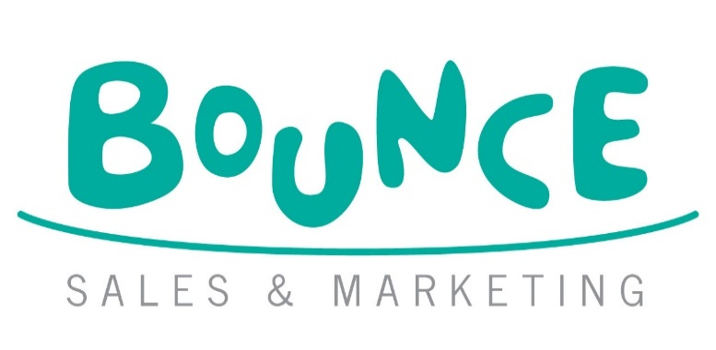
BOUNCE NOVEMBER-DECEMBER TOP PICKS ORDER FORM
 |  |  |  |  |  |  | Bounce Sales and Marketing Ltd.
 |  |  |  |  |  |  | 320 City Road
 |  |  |  |  |  |  | London
 |  |  |  |  |  |  | EC1V 2NZ

DISTRIBUTOR | ORDERS TO:
MDL | MACMILLAN DISTRIBUTION LTD Email: orders@Macmillan.co.uk
HARPERCOLLINS | HARPER COLLINS DISTRIBUTION: Email: uk.orders@harpercollins.co.uk

Bookshop/Branch |  | Account Number
Address |  | Order Reference
 |  | Special Instructions

Reps Name
Date
 |  |  | Disclaimer: Prices are subject to change without notice
IMPRINT/SERIES | TITLE | AUTHOR | FORMAT | RRP | ISBN | QTY | NOTES
Little Tiger Press | My First Cloth Book: Forest | Kendall, Wendy | CB | £10.99 | 9781801048996
Little Tiger Press | I Love You to the Moon and Back: Recordable Book | Hepworth, Amelia & Warnes, Tim | NB | £19.99 | 9781807440077
Little Tiger Press | Would You Still Love Me if I Was a Worm | Sullivan, Meghan & Cooper, Ludi | PB | £8.99 | 9781801048668
Triple Point Press | Rescue in Regent's Park | Bethlehem, Adam & Celej, Zuzanna | HB | £15.00 | 9780992972462
Scholastic | Dog Man 15: A Sprinkle in Time | Pilkey, Dav | HB | £14.99 | 9780702349300
Guppy Books | Sunwing | Oppell, Kenneth & Steininger, Christopher | PB | £12.99 | 9781913101473
Pushkin Children's | A Christmas Carol | Dickens, Charles | PB | £10.99 | 9781782695998
Chicken House | Coco Bean Investigates 2: Murder Unwrapped | Brooke, Anna | PB | £7.99 | 9781917171335
Scholastic | The Hunger Games: The Hunger Games: Collector's Edition | Collins, Suzanne | HB | £30.00 | 9798225093815

 |  |  |  |  |  |  |  | 9781915820051

