Monthly Order Form
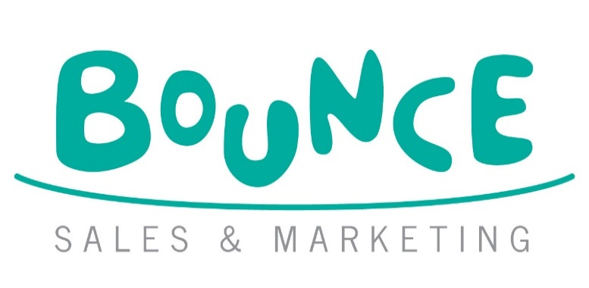
PLAY PRESS TOYS BOOKSHOP ORDER FORM
 |  |  |  |  |  |  |  | Bounce Sales and Marketing Ltd.
 |  |  |  |  |  |  |  | 320 City Road
 |  |  |  |  |  |  |  | London
 |  |  |  |  |  |  |  | EC1V 2NZ

Orders To: Macmillan Distribution Services, Brunel Road, Houndmills, Basingstoke, Hampshire RG21 6XS •
Tel: 01256 302692 • Fax: 01256 812521 • E-mail: orders@macmillan.co.uk

NO MINIMUM ORDER QUANTITY - NO CARRIAGE CHARGES - FIRM SALE - 50% DISCOUNT OFF EX VAT RRP

Bookshop/Branch |  | Account Number
Address |  | Order Reference
 |  | Special Instructions

Reps Name
Date
 |  |  | Disclaimer: Prices are subject to change without notice
IMPRINT/SERIES | TITLE | AUTHOR | FORMAT | RRP | EXCL. VAT | ISBN / EAN | QTY | NET PRICE
PLAY PRESS TOYS | VERY HUNGRY CATERPILLAR GARDEN PLAYSET | Eric Carle | HB | £12.95 | £10.79 | 5065019965110 |  | £5.40
PLAY PRESS TOYS | GRUFFALO COLLECTION 24 COPY CDU | Donaldson/Scheffler | HB | £144.00 | £120.00 | 5065019965165 |  | £60.00
PLAY PRESS TOYS | GRUFFALO POP OUT PLAYSET | Donaldson/Scheffler | HB | £17.99 | £15.00 | 0797153979320 |  | £7.50
PLAY PRESS TOYS | ROOM ON THE BROOM PLAYSET | Donaldson/Scheffler | HB | £11.99 | £9.99 | 0797153979184 |  | £5.00
PLAY PRESS TOYS | ZOG PLAYSET PLAY THE STORY | Donaldson/Scheffler | HB | £11.99 | £10.00 | 5065019965004 |  | £5.00
PLAY PRESS TOYS | MOOMIN'S HOUSE PLAYSET | Tove Jansson | HB | £19.99 | £16.67 | 0797153979122 |  | £8.34
PLAY PRESS TOYS | LONDON LANDMARKS POPOUT PLAYSET |  | HB | £11.99 | £9.99 | 5065019965011 |  | £5.00
PLAY PRESS TOYS | BOOKSHOP PLAYSET |  | HB | £9.99 | £8.33 | 5065019965066 |  | £4.17
PLAY PRESS TOYS | DINO DIG PLAYSET |  | HB | £9.99 | £8.33 | 5065019965073 |  | £4.17
PLAY PRESS TOYS | FARMYARD PLAYSET |  | HB | £17.99 | £15.00 | 0797153979238 |  | £7.50
PLAY PRESS TOYS | SHAUN THE SHEEP PLAYSET |  | HB | £17.99 | £15.00 | 0797153979245 |  | £7.50
PLAY PRESS TOYS | KNIGHTS CASTLE 6 COPY CDU |  | HB | £60.00 | £50.00 | 0797153979351 |  | £25.00
PLAY PRESS TOYS | PIRATE ISLAND PLAYSET 6 COPU CDU |  | HB | £60.00 | £50.00 | 0797153979337 |  | £25.00

